Pro-Forma Invoice
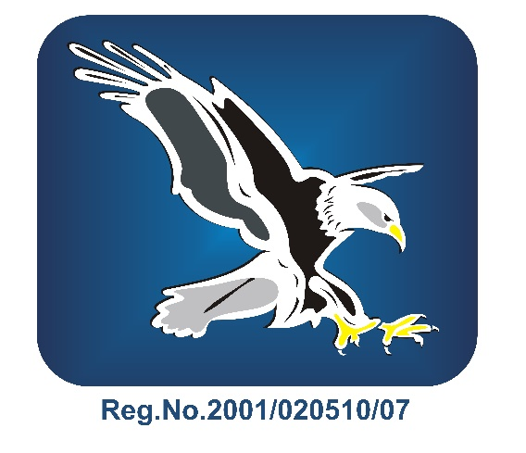 Company Logo |  | JB Switchgear Solutions (Pty) Ltd |  |  |  |  | PRO FORMA INVOICE
 |  | P.O. Box 10534, The Falls 1522 |  | SOUTH AFRICA
 |  | 4b Molecule Road, Vulcania, BRAKPAN, SOUTH AFRICA

 |  |  |  |  |  |  | Date: | 15.03.2021
 |  | Tel: | +27110275804 |  |  |  | PF Invoice #: | IO1105000
 |  | Fax: | 0862982597 |  |  |  | Mode of transport: | ROAD
 |  | Reg. No: | 2001/020510/07 |  |  |  | Port of Loading : | BRAKPAN
 |  | VAT No.: | 4870259498 |  |  |  | Port of Destination : | KOLWEZI
 |  | Exporters Code: | 21252395 |  |  |  | Port of Entry into DRC: | KASUMBALESA
 |  | Contact Tel: | 110275804 |  |  |  | Purchase Order No. : | KMC-KKP-18-2603 amend 6 & 7
 |  | Contact E-mail: | ismailc@jbswitchgear.co.za |  |  |  | Incoterm ®2010: | FCA
 |  |  |  |  |  |  | Currency: | ZAR

CONSIGNEE |  |  |  |  |  | DELIVERY ADDRESS
Kamoa Copper S.A. |  | VAT NO: A0901048A |  |  |  | Kamoa Kakula Project Site
2153 Avenue Club Nautique |  | REG NO: 6-118-N37233J |  |  |  | Kolwezi
Quartier Golf les Battants Commune |  |  |  |  |  | République Démocratique du Congo
de Lubumbashi
Ville de Lubumbashi
Province du Haut - Katanga
République Démocratique du Congo

WBS NUMBER | ITEM DESCRIPTION |  |  | NO OF PIECES | COUNTRY OF ORIGIN |  | CUSTOMS TARIFF HEADING | UNIT PRICE | TOTAL PRICE

Amendment | Power Management System - MV Sub Stations |  |  | 1 | RSA |  | 8537:10:90 | R 6,110,836.80 | R 6,110,836.80
 | Instrumentation |  |  | 1 | RSA |  | 8537:10:90 | R 245,110.35 | R 245,110.35
 | Rio Panels |  |  | 1 | RSA |  | 8537:10:90 | R 877,018.76 | R 877,018.76
 | C&I Spares |  |  | 1 | RSA |  | 8537:10:90 | R 1,020,311.65 | R 1,020,311.65

 |  |  |  |  |  | Total Goods Value: |  |  | R 8,253,277.56
 |  |  |  |  |  | Transport Value: |  |  | R -
 |  |  |  |  |  | Insurance: (if required) |  |  | R -
PAGE 1 OF 1
 |  |  |  |  |  | TOTAL VALUE CPT KAMOA |  |  | R 8,253,277.56

